Read Me
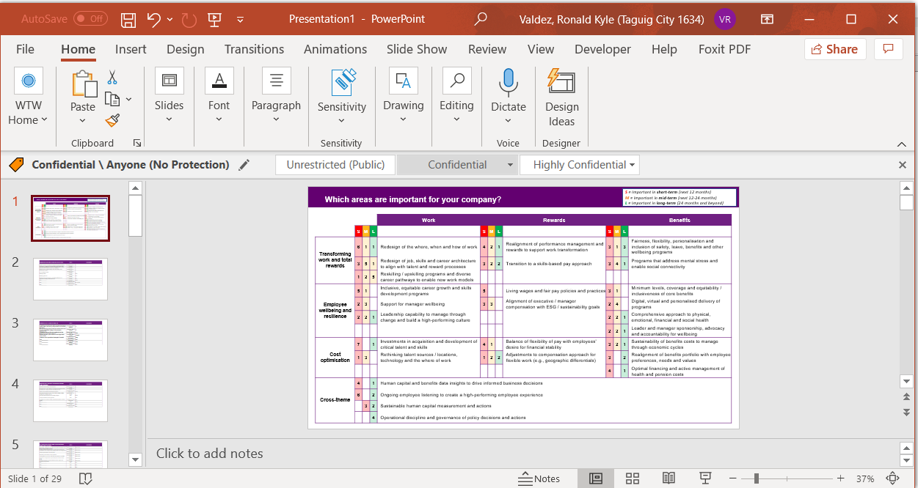
1. | Open Source file and copy the raw data
2. | Open the Data sheet of this file

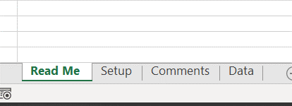

3. | Paste the Copied data into the sheet, don't overwrite the 1st row or headers

4. | Select Cell A2, right click then paste

5. | The fields should populate automatically
6. | Open Setup sheet

6. | Click The "Extract Data" button
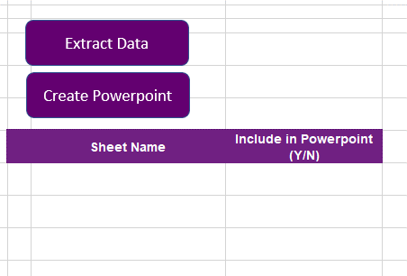

7. | This will populate the Comments_Data sheet

8. | Wait for the process to finish

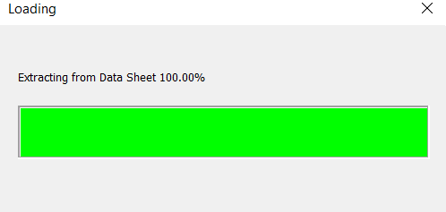

9. | Comments_Data Should be filled now

10. | Additional sheets should also be generated for each respondent on the data sheet

11. | Go back to Setup Sheet
12. | A list should also be created for the respondents Sheets
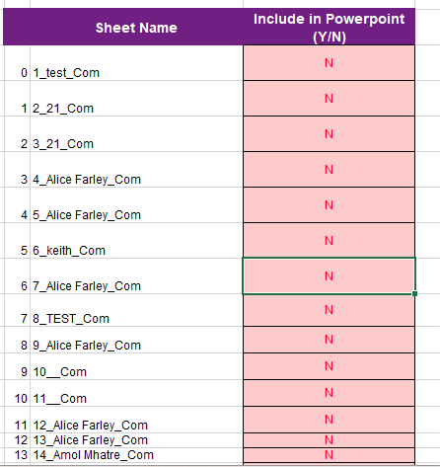

13. | Just set to "Y" the Respondent sheet that you want to include in the presentation then click "Create Powerpoint"

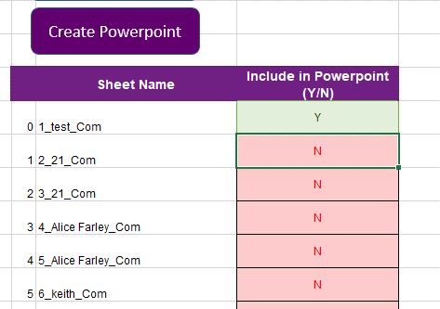

14. | The template should now export a powerpoint version
15. | wait for the process to finish
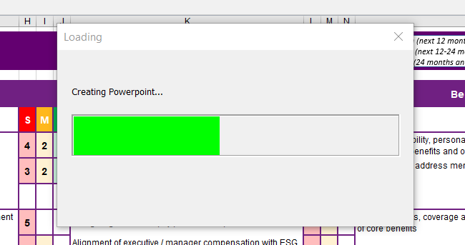

16. | Once completed a powerpoint report should pop out to show exported report
17. | Verify and confirm if all values are correct

Setup
Which areas are important for your company?
S = Important in short-term (next 12 months)
M = Important in mid-term (next 12-24 months)
L = Important in long-term (24 months and beyond)

XXX

Extract Data
Create Powerpoint
 |  |  |  | Work |  |  |  | Rewards |  |  |  | Benefits
 | S | M | L |  | S | M | L |  | S | M | L
Transforming work and total rewards | 6 | 1 | 1 | Redesign of the where, when and how of work | 4 | 2 | 1 | Realignment of performance management and rewards to support work transformation | 3 | 1 | 3 | Fairness, flexibility, personalisation and inclusion of safety, leave, benefits and other wellbeing programs
 | 3 | 5 | 1 | Redesign of job, skills and career architecture to align with talent and reward processes | 3 | 2 | 2 | Transition to a skills-based pay approach | 3 | 4 | 1 | Programs that address mental stress and enable social connectivity | Sheet Name | Include in Powerpoint (Y/N)
 | 1 | 2 | 5 | Reskilling / upskilling programs and diverse career pathways to enable new work models
Employee wellbeing and resilience | 5 | 1 | 0 | Inclusive, equitable career growth and skills development programs | 5 | 0 | 0 | Living wages and fair pay policies and practices | 3 | 1 | 0 | Minimum levels, coverage and equitability / inclusiveness of core benefits
 | 2 | 3 | 0 | Support for manager wellbeing | 3 | 3 | 0 | Alignment of executive / manager compensation with ESG / sustainability goals | 2 | 4 | 0 | Digital, virtual and personalised delivery of programs
 | 2 | 2 | 1 | Leadership capability to manage through change and build a high-performing culture |  |  |  |  | 2 | 2 | 1 | Comprehensive approach to physical, emotional, financial and social health
 |  |  |  |  |  |  |  |  | 2 | 2 | 1 | Leader and manager sponsorship, advocacy and accountability for wellbeing
Cost optimisation | 7 | 0 | 1 | Investments in acquisition and development of critical talent and skills | 4 | 1 | 0 | Balance of flexibility of pay with employees’ desire for financial stability | 3 | 2 | 1 | Sustainability of benefits costs to manage through economic cycles
 | 1 | 3 | 0 | Rethinking talent sources / locations, technology and the where of work | 1 | 2 | 2 | Adjustments to compensation approach for flexible work (e.g., geographic differentials) | 3 | 0 | 2 | Realignment of benefits portfolio with employee preferences, needs and values
 |  |  |  |  |  |  |  |  | 4 | 0 | 1 | Optimal financing and active management of health and pension costs
Cross-theme | 4 | 0 | 1 | Human capital and benefits data insights to drive informed business decisions
 | 6 | 0 | 2 | Ongoing employee listening to create a high-performing employee experience
 | 0 | 3 | 2 | Sustainable human capital measurement and actions
 | 0 | 0 | 4 | Operational discipline and governance of policy decisions and actions

© 2021 Willis Towers Watson. All rights reserved. Proprietary and Confidential. For Willis Towers Watson and Willis Towers Watson client use only.

